Control Page
Electrotechnology vs Fuel Fired Thermal Processing Cost Comparison Model
Developed by E3M Inc. under contract with Oak Ridge National Laboratory

Overview of Process Heating Systems
Control Page
Items | Instruction
Guide - Instructions | Guidance on using the tool
c
Cost Comparison Calculator | Main input page for the tool
Other Impacts | Qualitative Analysis of impacts to the facility and product

Supporting Calculators
Energy Use | The "Supporting Calculators" are provided to help estimate the various components of the inputs, used in the analysis The user may choose to use these calculator as required The "Supporting Calculators" can also be accessed directly from the "Comparison Calculator" page
Maintenance Cost
Auxiliary Equipment
Other Utilities
Other Materials Cost
Labor Cost
Water Use Module
Cost Report

**The Cost Comparison Calculator was conceived by Dr. Arvind Thekdi and developed by E3M Inc. in collaboration with Oak Ridge National Laboratory (ORNL). Dr. Sachin Nimbalkar and Mr. Kiran Thirumaran of Oak Ridge National Laboratory (ORNL) ) contributed to the development work. The project was supported by Advanced Manufacturing, Energy Efficiency and Renewable Energy Office of The U.S. Department of Energy. The tool was tested by a team of experts from the ORNL and representatives from the US industrial companies.

Guide-Instructions
Fuel Fired vs. Electrotechnology for Process Heating Applications
Thermal Processing Cost Comparison Model

This calculator or model has been developed to compare the total (overall) costs of thermal processing (heating - cooling) of materials in commonly used industrial process heating systems (e.g., furnaces, ovens, boilers, dryers, heaters) when fuel or electricity is used as the heat source. The model can perform calculations on any type of electrotechnology used for processing materials. The user is required to provide necessary cost information. Several methods, tools, and other sources used for calculating the energy requirements for the thermal processing of material and equipment are given as support.
Back to Control Page
Steps for Using the Cost Comparison Model
Step | Description

Calculator
1 | Go to the Calculator page and give the required input in rows 8 to 13
2 | Select the material type (solid, liquid, or gas/vapors) in row 15
3 | Return to the Calculator page
4 | Insert the required data into the yellow cells
5 | Use the hyperlinks to access the calculation sheets needed for various costs and other information
6 | Use the "Other Impacts" sheet to document the impact that switching to electrotechnology has on other facility processes and on the product life cycle.
7 | Review the cost summary and comparison report for fuel-based and hybrid systems

Index
 | Yellow - User inputs needed
 | Blue - Choose from dropdown
 | Orange- Calculated based on user inputs; can be overwritten if required
 | Purple - Outputs, cannot be edited

Systems
Back to Control Page
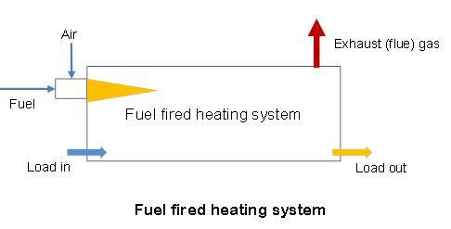
Fuel Fired Heating System
Fuel fired system uses combustion of fuels such as natural gas, fuel oil or coal and other combustible materials as source of heat. In each case, the heating system discharges combustion products commonly known as flue gases that contain Green House Gases such as carbon dioxide and small amount of hydrocarbons. These systems use conventional heat transfer modes (convection, thermal radiation, thermal conduction etc.) to heat and/or cool the materials being processed. Heating or thermal processing time for this type of systems depend on type, size and shape of the material together with temperature and any chemical reactions associated with the processing

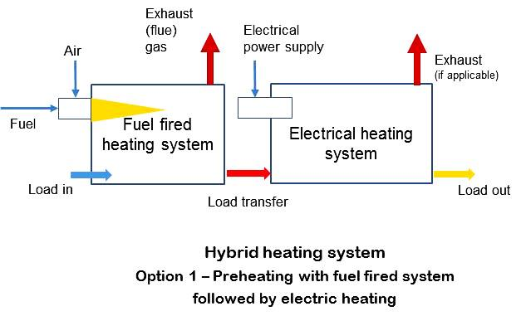
Hybrid Heating System
In many cases, electrotechnologies are used in combination with non-electric heating. Such systems are called hybrid systems. A hybrid heating system is one that combines electric heating and another type of heating, such as fuel firing or steam heating, to optimize energy use and increase overall process thermal efficiency. Hybrid heating systems utilize a combination of process heating technologies based on different energy sources and/or different methods of heating the same energy source. Hybrid process heating systems that combine multiple forms of heat transfer through radiant, conductive, and/or convective methods can reduce heating time, increase energy efficiency, and improve product quality. Examples of hybrid systems include electric infrared in combination with either an electric convection oven or a gas convection oven, and a paper-drying process that combines a natural gas or electric-based infrared technology with a steam-based drum dryer.

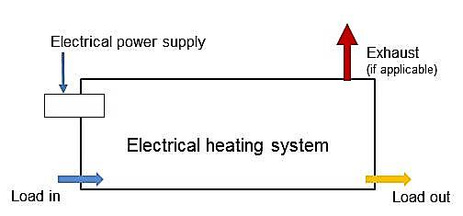
Electrical Heating System (Electrotechnology)
Electricity has been used extensively as a source of heat for furnaces and ovens ever since electrical power became available to industry. Electrically produced heat is routinely used for thermal processes such as heating, drying, curing, melting, and forming, which transform materials into manufactured products. This is achieved by a variety of electric heating systems or technologies commonly referred to as electrotechnologies. These technologies utilize equipment and systems that convert incoming electricity at line voltage to a form of applied energy that can efficiently achieve the necessary thermal treatment of materials.

Here are the most commonly used electric heating technologies, or electrotechnologies.
Resistance heating | Resistance heating can be applied directly or indirectly. Direct resistance heating of a material uses the material being processed as an electrical resistor to generate heat when electric current is passed through the material itself. An example of direct resistance heating is electric boosting or electric melting in a glass melting furnace. Indirect resistance heating uses electrical resistance modules or heating elements to generate heat, which is transferred to the material being heated by direct radiation or by a combination of radiation and convection heating, in which air or gas circulates. If exposing the heating elements to the furnace atmosphere or surrounds is unfeasible, then a protective tube or an enclosure referred to as a muffle is used. In this case, the protective tube or muffle is heated by the electrical heating elements, and heat from the protective device is transferred to the material being heated by convection and radiation.
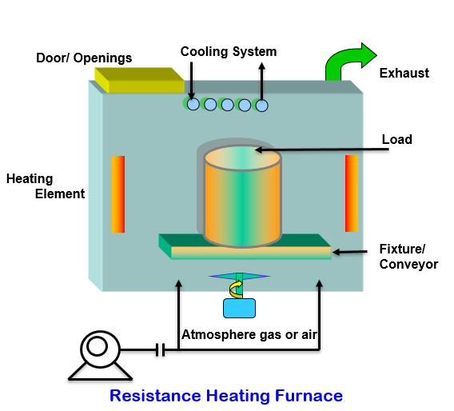

Induction Heating | Induction heating is a non-contact heating technology that uses electro-magnetic properties of electrically conductive materials. When the electrical current passes along a wire, an electromagnetic field is produced around that wire. Induction heating involves use of this electromagnetic field to produce eddy currents in the metal workpiece being heated. The work piece is heated primarily by the current in the same manner as resistance heating by passing current through the work piece. Induction heating can be used to heat or melt metals such as copper, aluminum, steel, or brass. It can also be used for semiconductors such as graphite, carbon, or silicon carbide. Nonconductive materials such as plastics or glass can be heated by using an electrically conductive susceptor like graphite and transfer heat to the nonconductive material being heated.

Electric Arc Heating | Electric arc heating, in which an electric arc is struck between an electrode and a metal, is used to heat and melt metals or to provide heat for other processes at very high temperature. The most prominent industrial application of direct arc heating is for melting steel scrap. Other applications include use of a submerged electric arc in the ferro alloy industry. In direct arc melting furnaces, one or more graphite electrodes are used to carry AC or DC current, and an arc is struck between the electrodes and the metal, usually in piles of scrap metal. The arc temperature, ranging from 1,800°C (3,272°F) to 3,000°C (5,432°F), melts the metal scrap. In many cases, arc melting is supplemented with fuel-fired burners to reduce cost and accelerate the melting process.
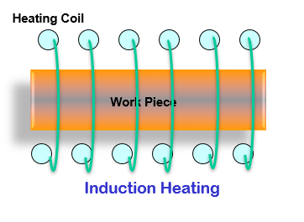

Electric Infrared Heating | Electric infrared heating involves radiation heat transfer or electromagnetic energy transfer from a heat source that produces wavelength in the range 0.75 µm to 103 µm. This requires emitting sources in the range 500°F to 4200°F. Infrared processing systems are used for heating, drying, curing, thermal-bonding, sintering, and sterilizing applications.

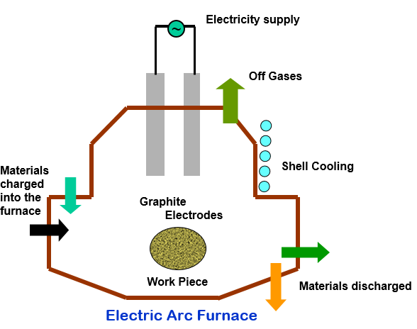

Microwave Heating | Microwave heating or processing involves the interaction of polar water molecules and charged ions. The friction resulting from molecule alignment and migration of charged ions in a rapidly alternating electromagnetic field generates heat within materials such as foods. Microwave heating uses the 915 MHz and 2450 MHz bands in the electromagnetic spectrum for heating applications. Typical industrial applications of microwave heating include food drying or processing, rubber and plastic heating, and the curing of adhesives in plywood and construction lumber.

Radio-frequency (RF) Heating | Radio-frequency (RF) heating is in the same class as microwave heating. While high-frequency microwave has a wavelength from 300 MHz to 300 GHz, the RF frequency spectrum is from 3 MHz to 300 MHz. Radio-frequency waves are longer than microwaves, enabling them to penetrate larger objects better than microwave energy. Typical applications of RF heating include drying natural and synthetic textiles; drying water-based adhesives, emulsions, and coatings; preheating fiber mat board; and removing moisture from glass fibers.

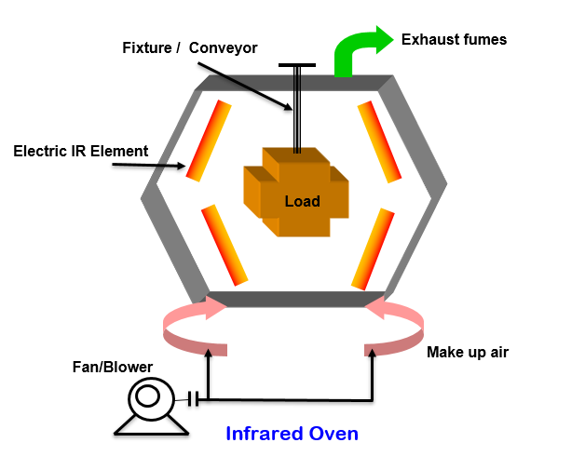

Electro Beam (EB) Heating | Electron beam (EB) processing involves use of the kinetic energy from an accelerated stream of electrons to produce heat or chemical and physical changes in various substances at the location of impingement of the electrons. Use of EB in appropriate applications offers several advantages, such as superior process control; tighter tolerances; elimination of limitations in polymer compositions, compounding, and extrusion; and shorter treatment times. EB is primarily used by the automotive and aerospace industries in welding thick material to thin material, joining dissimilar metals, and joining some combinations that are unweldable. Recently EB has been applied to surface heat treatment such as hardening of high-wear components. Other applications include low temperature processing of materials, and curing of multiple layers of web material with simultaneous curing of surface coatings.

Ultraviolet(UV) processing | Ultraviolet (UV) processing utilizes electromagnetic energy within a wavelength of 4 to 400 nm. UV processing involves application of UV radiation to certain liquid polymeric substances to transform them into a solid coating. UV curing is fundamentally different from the conventional thermal drying process since exposure to UV radiation changes the molecular structure of a coating to form a solid without using a solvent. Typical applications of UV processing include curing thick layers, such as in floor coverings; in-depth drying of heavy ink coats, as in silk screen printing; surface hardening of organic coatings; and curing of polymeric materials in electronic parts manufacturing.
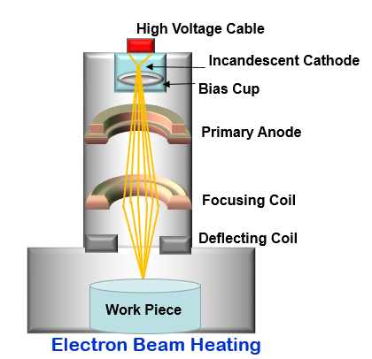

Plasma Heating | Plasma heating uses a special form of ionized gas that conducts electricity. It is generated by using two water-cooled electrodes with a gap in between to create an arc that can be described as a "white glow" and looks similar to lightning bolts. Plasmas can be generated in a wide range of temperatures reaching millions of degrees (e.g., in fusion reactors); however, typical industrial uses of thermal plasmas achieve temperatures from 5,000 to 10,000°C (9,000 to 18,000°F). Industrial applications of plasma heating systems include municipal waste management, ladle and tundish heating, melting (ferrous and nonferrous metals), vacuum melting, recovery processes, and hazardous waste treatments.

Back to Control Page
Laser Heating | Laser heating uses a laser beam to strike the material being heated. A laser is a coherent and focused beam of photons, meaning that the beam is all one wavelength, unlike ordinary light that showers on us in many wavelengths. Laser heating is used for numerous heating applications. It can heat locally and melt material at the desired area of a part to be processed. Laser heating is widely used to heat-treat parts by rapidly and efficiently heating a selected area of a metal component above its transformational temperature.

Calculator
Fuel Fired vs. Electrotechnology for Process Heating Applications
Thermal Processing Cost Comparison Model

Back to Control Page
General Information
Type of heating - processing system |  | Fuel Based System | Electrical - Hybrid system | Description - Comments
Industry sector |  |  |  | NAICS (3 digits)
Process name |  |  |  | NAICS (5 or 6 digits)
Material heated or processed |  | Solid
Specific name of the material heated or processed
Initial temperature of the material | Deg. F.
Final temperature of the material | Deg. F.

Calculators for Theoretical Energy Requirement | Solid | Liquid | Gas/Vapor | This step can be skipped if energy data is available through direct measurement or from supplier

Theoretical energy required | Btu/lb. | - | - | use tool (link above) or give estimated value. Please overwrite the formula in the cell with the estimated values if providing provided calculator is not used
Production rate (In stated units) | tons/hr. | - | -
Production rate (in lbs./hr.) | lbs./hr. | - | -

Cost Report
Heating or Processing System Information
Type of heating - processing system |  | Fuel Based System | Electrical - Hybrid System | Description - Comments
Current / processing system used or proposed electric-hybrid system |  |  |  | Give descriptive name
Processing system used |  | Fuel fired | Hybrid (electric-fuel) | Select option from drop-down menu: electric only or hybrid (electric-fuel)
Type of operation |  | Continuous | Continuous | Select from drop-down menu: batch or continuous
Heat source (fuel) used |  |  |  | Give name of fuel type, if used
Cost of fuel used | $/MM Btu |  | $-
Cost of electricity (total or marginal) | $/kWh |  | $-
Operating hours per year | Hrs./year
Production rate | Lbs./hr. | - | -
Annual production - tons shipped | Tons/year | - | -
Product yield (account for reject etc.) | %
Product (tons) processed | Tons/year | - | -
Fuel energy use estimate method |  | Heat Balance | Efficiency
Fuel energy used per hour | MM Btu/hour | 0.00 | - | Measured or estimated for fuel fired system
Annual fuel energy used | MM Btu/year | - | -
Cost of fuel used per year | $/year | $- | $-
Fuel energy cost per ton of shipped parts | $/ton | $- | $- | based on tons processed
Electrical energy use estimate method |  |  | Efficiency
Electrical energy used for processing - per hour | kWh/hour |  | -
Annual electrical energy used for processing | kWh/year |  | -
Cost of electricity used for processing - per year | $/year |  | $-
Electric energy cost per ton of shipped parts | $/ton |  | $-
Total energy use per ton | MM Btu/ton | - | -
Thermal efficiency of the system | % | 0.0% | 0.0% | based on theoretical energy use value
Estimated electricity used for aux. Equipment | kWh/hour | - | -
Estimated electricity used for aux. Equipment | kWh/year | - | -
Estimated electricity cost for aux. Equipment | $/year | $- | $-
Estimated electricity cost for aux. Equipment | $/ton | $- | $-
Cost of other utilities (i.e. water, air etc.) | $/hour | $- | $-
Cost of other utilities (i.e. water, air etc.) | $/year | $- | $-
Cost of other utilities (i.e. water, air etc.) | $/ton | $- | $-
Maintenance cost per year | $/year | $- | $-
Maintenance cost per ton | $/ton | $- | $-
Labor and other related cost per year | $/year | $- | $-
Labor and other related cost per year | $/ton | $- | $-
Material loss as a % of material processed | %
Cost or value of material processed | $/ton
Cost of material (product) loss | $/year | $- | $-
Cost of material (product) loss | $/ton | $- | $-
Other material cost | $/ton | $- | $- | fluxes, repair material etc.
Equipment installed cost | $
Expected or accounting life of the equipment for amortization calculations | Years
Equipment amortization cost | $/year | $- | $-
Equipment amortization cost | $/ton | $- | $-
Other cost (+ number) or credit (-ve number) | $/year |  |  | Give list of what is included
Other cost (+ number) or credit (-ve number) | $/ton | $- | $-
Total cost per year for current operation | $/year | $- | $-
Cost of production/ton shipped | $/ton | $- | $-

Cost ratio per ton shipped: (Fuel fired/electrotechnology) |  | 0.00 |  | Cost of fuel fired system is less than the cost with use of electrotechnology
Other Impacts
Developed by E3M Inc. for Oak Ridge National Laboratory (ORNL) - U.S. Department of Energy

Facility Level Impact
Qualitative Analysis of the Impacts
This section of the tool is designed to document the impact of switching to Electrotechnology on the other upstream and downstream processes in the facility and the final product though its lifecycle.

Facility Level Impact
Impact on Production : Does changing to electrotechnology affect the overall production?

Back to Control Page
Impact on Upstream Process: Does changing to electrotechnology for heating affect any of the other upstream processes?

Impact to Downstream Processes: Does changing to electrotechnology for heating affect any of the other downstream processes?

Impact to Product quality: Will the quality of the final product be affected by switching to electricity based processing? State economic impact of improved quality (if any).

Raw materials availability: Will the quality/quantity of the raw material need to be adjusted in any by switching to electric processing?

Impact on Product's Lifecycle
Impact on Product's Life: Will there be any impact on life cycle economics such as the expected life, performance improvement, required maintenance etc. of the final product(s) through its life cycle?

Impact on Product Logistics: Does the supply chain strategy need to be changed? (A change in the dimension/mass of the final product or the raw material required might cause this.)

Other Impacts: Are there any other impacts that is not captured in the section above?
Cost Report
To understand the lifecycle cost associated with the process change please use DOE's Lifecycle Industry GreenHouse gas, Technology and Energy through the Use Phase (LIGHTEnUP) tool

For more information on the LightenUp tool, | https://eta.lbl.gov/publications/lifecycle-industry-greenhouse-gas

Cost Report
Fuel Fired vs. Electrotechnology for Process Heating Applications
Thermal Processing Cost Comparison Model

The report provides detail cost given in terms of cost expressed as $/unit of measurement selected for the analysis. The report also includes a pie-chart showing cost distribution in each case. The cost breakdown comparison is also shown as a bar chart

Back to Calculator
General Information
Type of heating - processing system |  | Fuel Based System | Electrical - Hybrid system | Description - Comments
Industry sector |  | 0 |  | NAICS (3 digits)
Process name |  | 0 |  | NAICS (4 or 5 digits)
Material heated or processed |  | Solid
Specific name of the material heated or processed |  | 0
Initial temperature of the material | Deg. F. | 0.0 | 0.0
Final temperature of the material | Deg. F. | 0.0 | 0.0

Theoretical energy required | Btu/lb. | - | -
Production rate (In stated units) | tons/hr. | - | -
Production rate (in lbs./hr.) | lbs./hr. | - | -

Material heated or processed | Solid

Heating or Processing System Information
Fuel energy | $/ton | $- | $- | based on units processed
Electric energy | $/ton |  | $-
Aux. Equipment | $/ton | $- | $-
Other utilities | $/ton | $- | $-
O & M | $/ton | $- | $-
Labor + related | $/ton | $- | $-
Product loss | $/ton | $- | $-
Other material | $/ton | $- | $-
Equipment amortization | $/ton | $- | $-
Other | $/ton | $- | $-
Cost of production/unit shipped | $/ton | $- | $-

Cost ratio per unit shipped: (Fuel fired/electrotechnology) |  |  |  | Cost of fuel fired system is higher than the cost with use of electrotechnology
Developed by E3M Inc. for Oak Ridge National Laboratory (ORNL) - U.S. Department of Energy

Back to Control Page

Cost Breakdown for Fuel Fired System
Cost per unit of production
Cost Breakdown for Hybrid (Electrical + fuel Fired) System
Cost per unit of production

$/ton | $- | $-
$/ton |  | $-
$/ton | $- | $-
$/ton | $- | $-
$/ton | $- | $-
$/ton | $- | $-
$/ton | $- | $-
$/ton | $- | $-
$/ton | $- | $-
$/ton | $- | $-
 | Fuel energy | Electric energy | Aux. Equipment | Other utilities | O & M | Labor + related | Product loss | Other material | Equipment amortization | Other
Fuel Based System | $- |  | $- | $- | $- | $- | $- | $- | $- | $-
Electrical - Hybrid system | $- | $- | $- | $- | $- | $- | $- | $- | $- | $-

Back to Calculator

Qualitative Impacts
Impact on Production

Impact on Upstream Process
Back to Other Impacts

Impact on Downstream Process

Impact on Product Quality

Impact to Raw Materials

Impact on Product's Life

Impact on Product Logistics

Other Impacts

Energy use
 |  |  | Energy Use Calculations

Back to Calculator
Fuel fired systems |  |  |  | Electric System
Measurement method |  | Current system | Hybrid system | Measurement method |  | Electric System
Type of energy used |  |  |  | Supply voltage | Volts
Measured fuel use in terms of per hour | scf/hr. |  |  | Electricity supply phase
Heating value of the fuel | Btu/scf |  |  | Measured current | Amps
Energy used per hour | MM Btu/hr. | - | - | Power factor
Back to Control Page
 |  |  |  | Real power used | kW | -

Efficiency method |  | Current system | Hybrid system | Efficiency method |  | Electric System
Type of material processed |  | Solid | Solid | Type of material processed |  | Solid
Theoretical energy use | Btu/hr. | - | - | Theoretical energy use | Btu/hr. | -
Energy supplied by fuel firing | % |  |  | Energy supplied by electric heating system | %
Thermal efficiency (based on fuel use) of the equipment from the supplier or other source | % |  |  | Thermal efficiency of the equipment electrical system from the supplier or other source | %
Energy used per hour | MM Btu/hr. | - | - | Energy used per hour | kW | -

Heat Balance method |  | Current system | Hybrid system | Heat Balance method |  | Electric System
Use PHASTEx, PHAST or other similar program to calculate energy requirement | MM Btu/hr. |  |  | Use PHAST 3.0 or other similar program to calculate energy requirement | kW
Percentage energy supplied by fuel firing | % |  |  | Percentage energy supplied by electricity | %
Energy used per hour from fuel firing | MM Btu/hr. | - | - | Energy used per hour from electricity | kW | -

Supplier Method |  | Current system | Hybrid system | Supplier Method |  | Electric System
Energy (from fuel) use given by the supplier | MM Btu/hr. |  |  | Energy (electrical) use given by the supplier | kW

Maintenance cost
Back to Calculator
Maintenance Cost Estimate
 |  | Conventional | Electric
Man-hours spent on maintenance per year | Hrs.
Maintenance labor cost (fully burdened) | $/hr.
Maintenance material cost per year | $/year
Back to Control Page
Outside service contractor bill | $/year
Other cost | $/year

Total maintenance cost/year | $/year | $- | $-

Solid
Back to Calculator

Back to Control Page
Energy use for processing solid material |  | Fuel fired | Hybrid
Solid
Name of the Material (choose from drop-down list). The property values for the material are populated based on a standardized table; please overwrite the formula if the property values need to be defined by the user. |  | Aluminum | Aluminum

Average specific heat of the solid material (dry) | Btu/(lb. deg. F) | 0.248 | 0.248
Latent Heat of Fusion | Btu/lb. | 169.0 | 169.0
Specific heat of liquid from molten material | Btu/(lb. deg. F) | 0.260 | 0.260
Melting Point | Deg. F. | 1215 | 1215

Charge (wet)-Feed Rate (select units from dropdown) | tons/hr.
Charge (wet)-Feed Rate |  | 0 | 0
Water Content as % of charged mixture (liquid + solids) | %
Water Content as Discharged (%) | %
Initial Temperature | Deg. F. | 0 | 0
Charge material discharge temperature | Deg. F. | 0 | 0
Water vapor discharge Temperature | Deg. F.
Charge Melted (% of Dry Charge) | %
Charge Reacted (% of Dry Charge) | %
Heat of Reaction | Btu/lb.
Endothermic/Exothermic |  | Exothermic | Exothermic
Additional Heat Required | Btu/hr.
Total Heat Required For Charge Material 1 | Btu/hr. | 0 | 0
Heat required per ton | Btu/ton | 0 | 0
 | Btu/lb. | 0.00 | 0.00

liquid
Back to Calculator
Load Charge Liquid Material |  | Current | Modified
Liquid
Name of the Material (Choose From List): The property values for the material is populated based on a standardized table, please overwrite the formula if the property values needs to be defined by the user. |  | Crude | Crude
Back to Control Page
Specific Heat of Liquid | Btu/(lb.-F) | 0.650 | 0.650
Specific weight/density | lbs./gallon | 7.093 | 7.093
Vaporizing Temperature | F | 900 | 900
Latent Heat of Vaporization | Btu/lb. | 0.0 | 0.0
Specific Heat of Vapor | Btu/(lb.-F) | 0.000 | 0.000

Charge feed rate (select units from drop-down) | gpm
Charge (Liquid)-Feed Rate | lbs./hr. | 0 | 0
Initial Temperature | F
Discharge Temperature | F
Charge Liquid Vaporized (% of Charge) | %
Charge Liquid Reacted (% of Charge) | %
Heat of Reaction | Btu/lb.
Type of Reaction (Endothermic/Exothermic) |  | Endothermic | Endothermic
Additional Heat Required | %
Total Heat Required For Charge Material 1 | Btu/hr. | 0 | 0

gas
Back to Calculator

Back to Control Page
Gas - Vapor Mixture |  | Current | Modified
Gas
Name of the Material (Choose From List); The property values for the material is populated based on a standardized table, please overwrite the formula if the property values needs to be defined by the user. |  | Water vapor - near atm. pressure | Steam - 150 psig, 500 degree F

Specific Heat of Gas | Btu/(lb.-F) | 0.470 | 0.510
Density of gas | lb./scf | 0.050 | 0.050

Feed Rate for Gas Mixture | scfm
Feed Rate for Gas Mixture | lb./hr. | 0 | 0
Vapor in Gas Mixture (% of Total) | %
Initial Temperature | F
Discharge Temperature | F
Specific Heat of Vapor | Btu/(lb.-F)
Feed Gas Reacted (% of Total) | %
Heat of Reaction | Btu/lb.
Type of Reaction (Endothermic/Exothermic) |  | Exothermic | Exothermic
Additional Heat Required | Btu/hr.
Total Heat Required For Charge Material 1 | Btu/hr. | 0 | 0

Aux equipment
Cost of Operating Auxiliary Equipment

Fuel fired system

Back to Calculator
Data | Units | Motor 1 | Motor 2 | Motor 3 | Motor 4 | Motor 5 | Motor 6 | Motor 7 | Motor 8
Motor phase
Supply voltage | Volts
Average current | Amps
Power factor (average value) (Default=0.85)
Back to Control Page
% Operating time (as % of total time) (Default=100%)

Electrical power use | kWh | - | - | - | - | - | - | - | -

Additional electricity use | kWh
Cooling & refrigeration | 0
Heating | 0
Electrochemical use | 0
Other uses of electricity | 0

Total electrical power use | kWh | -

Electrotechnology - Hybrid System

Data | Units | Motor 1 | Motor 2 | Motor 3 | Motor 4 | Motor 5 | Motor 6 | Motor 7 | Motor 8
Motor phase
Supply voltage | Volts
Average current | Amps
Power factor (average value) (Default=0.85)
% Operating time (as % of total time) (Default=100%)

Electrical power use | kWh | - | - | - | - | - | - | - | -

Additional electricity use | kWh
Cooling & refrigeration | 0
Heating | 0
Electrochemical use | 0
Other uses of electricity | 0

Total electrical power use | kWh | -

Other utilities
Other Utility Costs

Fuel fired system
Data | Units | Water | Compressed air | Process atmosphere | Other Liquid 1 | Other Liquid 2 | Other Gas
Flow rate - liquid | gpm
Back to Calculator
Flow rate - gas | scfm
Cost per unit | $/unit (see note)
% Operating time (as % of total time) (Default=100%)
Cost per hour of operation |  | $- | $- | $- | $- | $- | $-
Back to Control Page
Total cost for other utilities | $/operating hour |  | $-

Note
Water or other liquids: cost is based on 1000 gallons, or $/1000 gallons
Air or other gases: cost is based on 1000 standard cubic feet (scf) or, $/1000 scf.

Electrotechnology - Hybrid System
Data | Units | Water | Compressed air | Process atmosphere | Other 1 | Other 2 | Other 3
Flow rate - liquid | gpm
Flow rate - gas | scfm
Cost per unit | $/unit (see note)
% Operating time (as % of total time) (Default=100%)
Cost per hour of operation |  | $- | $- | $-

Total cost for other utilities | $/operating hour |  | $-

Other material cost
 |  |  | Yellow - Inputs Needed |  |  |  | Orange - Cells with formulas; can be overwritten if required
 |  |  | Blue - Select from the drop-down list |  |  |  | Purple - Outputs, cannot be edited
Other material cost calculations
Back to Calculator
Additive materials | Fuel fired system |  |  | Electrotechnology - Hybrid System
 | Usage (see note) | Cost | Cost ($/unit) | Usage | Cost | Cost ($/unit)
Flux | Lbs./unit | $/Lb. | $- | Lbs./unit | $/Lb. | $-
 |  |  |  | 0 | $-
Liquid | gallons/unit | $/gallon | $- | gallons/unit | $/gallon | $-
Back to Control Page
Blanket gas | scf/unit | $/1000 scf | $- | scf/unit | $/1000 scf | $-

Additive | Other-specify/unit | $/unit of added material quantity | $- | Other-specify/unit | $/unit of added material quantity | $-
 |  |  |  |  | $-

Note
The term "unit" refers or means to the unit of production used in the calculator. For example if the unit of production stated in the input data "Unit of production for the material" is tons then the quantity "Lbs./unit" should be in terms of "Lbs./ton of production".

Total cost for other material used | $/unit of production |  | $- | $/unit of production |  | $-

Labor cost
Labor cost calculations

Back to Calculator
Fuel fired system
Data | Units | Supervisor | Operators | Helpers | Other 1 | Other 2 | Other 3
No. of employees | No.
No. of hours per day for each employee | No.
Salary/labor rate (see note below) | $/hour
Cost per day of operation | $ | $- | $- | $- | $- | $- | $-
Back to Control Page
No. of days per year | Days/year
Cost per year | $/year | $- | $- | $- | $- | $- | $-

Total Labor Cost | $/year |  | $-

Note
The cost should be "fully burdened" as defined by the company; that is, the cost should include actual salary, overheads, G&A cost, etc. You may use a fixed or flat value, or calculate it by using detailed accounting information.

Electrotechnology - Hybrid System
Data | Units | Supervisor | Operators | Helpers | Other 1 | Other 2 | Other 3
No. of employees | No.
No. of hours per day for each employee | No.
Salary/labor rate (see note below) | $/hour
Cost per day of operation | $ | $- | $- | $- | $- | $- | $-
No. of days per year | Days/year
Cost per year | $/year | $- | $- | $- | $- | $- | $-

Total Labor Cost | $/year |  | $-

Water use module
Water use module
 | Units | Fuel fired | Electrical/Hybrid
Process water use | gpm | 0 | 0
Source of electricity * | From the list | Natural gas | Natural gas
Water use 'efficiency" electricity production | Liters/1000 kWh | 38 | 38
Electricity use for Process heating | kWh/hr | - | -
Electricity use for auxillary systems | kWh/hr | - | -
Aux. equipment electricity use related | gph | - | -
Back to Calculator
Process energy use related | gph | - | -
Other water use by auxilliary and other systems or use | gph | 0 | 0
Number of hours/year |  | 0 | 0
Total water use | gallons/year | - | -
Back to Control Page
Cost of water use (all inclusive)** | $/1000 gallons | $- | $-
Cost of water per year |  | $- | $-

** All inclusive cost inclues cost of water, water treatment, discharge cost etc.

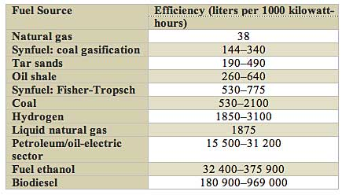

http://spectrum.ieee.org/energy/environment/how-much-water-does-it-take-to-make-electricity

